Sheet1
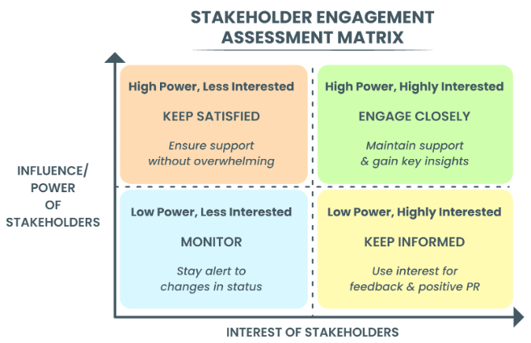
Stakeholder Register
# | Stakeholder Name | Organization | Interest | Influence | Expectations | Engagement Strategy | Comments/Notes
1 | Scott Patton | TractorCo (El Segundo Plant) | High | High | Improve throughput, ensure compliance, avoid delays | Engage Closely | General Manager & project sponsor. Risk-averse. Key to funding.
2 | Sabrina Cash | TractorCo (Corporate) | Low | High | Adherence to budget, prevent scope creep | Keep Satisfied | Controller. Influential over budget approval.
3 | John Storm | Los Angeles Fire Department (LAFD) | Low | High | Full adherence to fire safety standards | Keep Satisfied | Fire Marshal. Authority is critical for inspection approval.
4 | Wendy Gale | South Coast AQMD (SCAQMD) | Low | High | Full adherence to VOC and emissions regulations | Keep Satisfied | Inspector. High authority at compliance milestones.
5 | Ethan Beets | TractorCo (El Segundo Plant) | High | Low | Leverage prior experience for successful installation | Keep Informed | Plant Manager. Operationally critical but limited budget influence.
6 | Paint Shop Operators | TractorCo (El Segundo Plant) | Very High | Medium | Safe, easy-to-use, and efficient daily workflow | Keep Informed | Key technicians. Consult for design feedback and training.
7 | Maintenance Team | TractorCo (El Segundo Plant) | High | Medium | Proper training and documentation to prevent downtime | Keep Informed | Lead technicians. Involve during installation process.
8 | Health & Safety (EHS) Rep | TractorCo (El Segundo Plant) | High | Medium/High | Worker safety and OSHA compliance | Engage Closely | Include in planning for safety integration.
9 | Procurement Department | TractorCo (Corporate) | Medium | Medium | Effective vendor contract and delivery management | Keep Satisfied | Provide clear technical requirements and timelines.

